OP_10
 SKH SILA INDIA PVT. LTD

DAILY MACHINE CHECK SHEET
Machine No.: OP_10 |  |  |  |  |  |  | Machine Name.: Main Lever & Select LeverAssy with Housing |  |  |  |  |  |  |  | Month : |  |  |  | DOC No. SKH-SILA-PDM-Y17-10
 | Sl. No. | Description / Contents | Specification | Method | Frequency | Checking Point | 1 | 2 | 3 | 4 | 5 | 6 | 7 | 8 | 9 | 10 | 11 | 12 | 13 | 14 | 15 | 16
Device Check Point | 1 | Main Air Pressure | 4 ~ 6 KG/cm² | Record | At Starting | 
 | 2 | Greasing Ejector Hole Condition (Spherical Bearing) | Grease Flow uniformaly (16 Holes) | Visual | At Starting
 | 3 | Greasing Ejector Hole Condition (Select Bsh) | Grease Flow uniformaly (8 Holes) | Visual | At Starting
 | 4 | Greasing Ejector Hole Condition (Select Lever) | Grease Flow uniformaly (16 Holes) | Visual | At Starting
 | 5 | Greasing Ejector Hole Condition (Select Spring) | Grease Flow uniformaly (8 Holes) | Visual | At Starting | 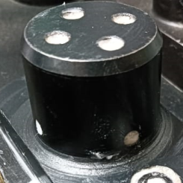
 | 6 | Lever Holding Jig | No Crack & Damage | Visual | At Starting
 | 7 | Bearing Lock Pressing Jig | No Crack & Damage on Jaw | Visual | At Starting | 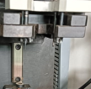
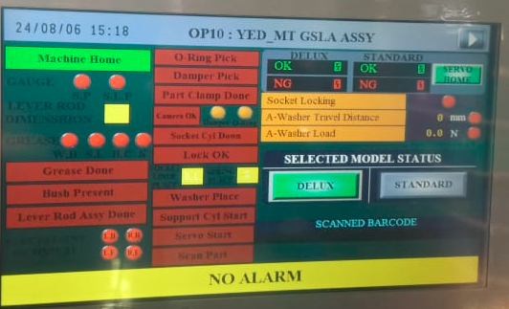
Quality Check Point | 8 | Clip shaft Pressing Load | 14 kg Min. | Visual / Record | At Starting
 | 9 | Clip shaft Pressing Length | 67± 1mm | PLC | At Starting
 | 10 | Locking with Clip Shaft | Should be Proper Locked | Visual | At Starting
Saftey check point | 11 | Area Sensor | M/C should not run when cover/curtain is open | By Operating | At Starting | 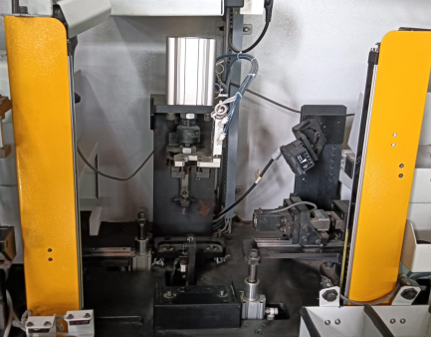
5-S | 12 | 5-S | No material should be lying on shopfloor | Visual / Record | At Starting
Checked by (Operator)
Confirm by (Line Leader)
Change point (if any)

REMARKS: |  | ¤ Please Enter like the following: √ ₌ Found OK, × ₌ Found NG . |  |  |  |  | ¤ Item of measuring should be entered an actual measurement.
¤ On finding NG items, must inform to L.L., Start production after improvement. |  |  |  |  |  |  | ¤ If irregular occur, L.L. must inform to Maintenance Team / Production Team After that, write it down on CHANGING POINT.
 |  |  |  |  |  |  |  |  |  |  |  |  |  |  |  | FM/PD/04 REV. NO: 0 ISSUE DATE : 04/01/2016

OP_20
SKH SILA INDIA PVT. LTD.,SHIKOHPUR

DAILY MACHINE CHECK SHEET
Machine No.: OP_20 |  |  |  |  |  | Machine Name:Boot & Knob Torquing |  |  |  |  |  |  |  |  | Month : |  |  | DOC No. SKH-SILA-PDM-Y17-20
 | Sl. No. | Description / Contents | Standard / Specification | Method | Frequency | Checking point | 1 | 2 | 3 | 4 | 5 | 6 | 7 | 8 | 9 | 10 | 11 | 12 | 13 | 14 | 15 | 16
Device Check Point | 1 | Holding Jig | No Crack, sharp edge & Damage | Visual | At Starting | 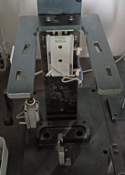
Quality Check Point | 2 | Boot Condition | Wrinkle,Stitch Miss, Crack,Leather Cut, Thread Cut, Double Stitching | Visual | At Starting | 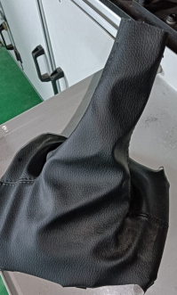
Saftey check point | 3 | Double Press Start | Should be run after double button press | Pressing button | At Starting | 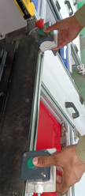
Device Check-Point | 4 | Main Air Pressure | 4-6 Bar | Visual / Record | At Starting
 | 5 | Holding Jig | No Crack & Damage | Visual | At Starting | 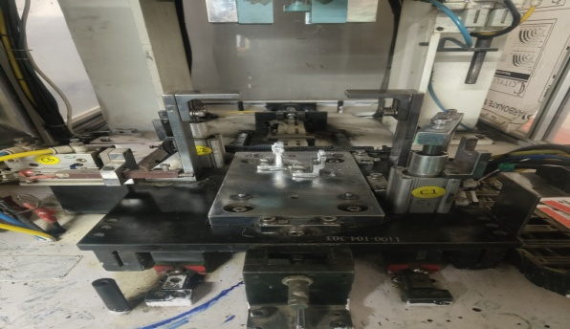
 | 6 | Pressing Jig | No Crack, Damage,sharpness | Visual | At Starting | 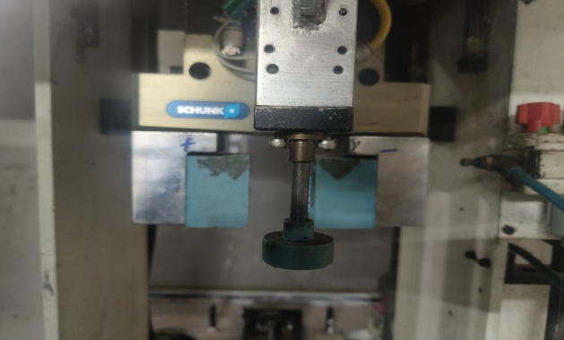
Safety Check point | 7 | Area Sensor | M/C should not run when sensor are intruption | By Operating | At Starting | 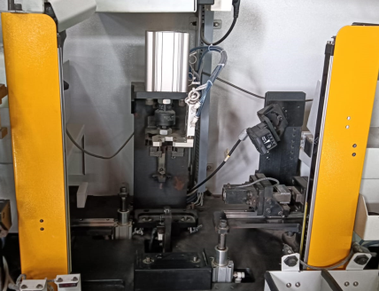
5-S | 8 | 5-S | No material should be lying on shopfloor | Visual / Record | At Starting & End
Checked by. (Operator)
Confirm by. (Line Leader)
Change point (if any.)

REMARKS: |  | ¤ Please Enter like the following: √ ₌ Found OK, × ₌ Found NG . ¤ Item of measuring should be entered an actual measurement.
 | ¤ On finding NG items, must inform to L.L., Start production after improvement. |  |  |  | ¤ If irregular occur, L.L. must inform to Maintenance Team / Production Team After that, write it down on CHANGING POINT.
 |  |  |  |  |  |  |  |  |  |  |  |  |  |  |  | FM/PD/04 REV. NO: 0 ISSUE DATE : 04/01/2016

OP_30
SKH SILA INDIA PVT. LTD.,SHIKOHPUR

DAILY MACHINE CHECK SHEET
Machine No.: OP_30 |  |  |  |  |  |  | Machine Name.: End Of Line Inspection |  |  |  |  |  |  |  | Month : |  |  |  | DOC No. SKH-SILA-PDM-Y17-30
 | Sl. No. | Description / Contents | Specification | Method | Frequency | Checking Point | 1 | 2 | 3 | 4 | 5 | 6 | 7 | 8 | 9 | 10 | 11 | 12 | 13 | 14 | 15 | 16
Device Check Point | 1 | Main Air Pressure | 4 ~ 6 KG/cm² | Record | At Starting
 | 2 | Holding Jig | No Crack & Damage | Visual | At Starting | 
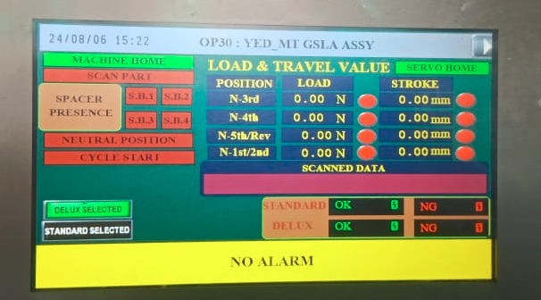
Quality Check Point | 3 | No Load Resistance Shift (3rd & 4rt Gear) | Load : 2.0N Max | Record | At Starting
 |  |  | Stroke :30 mm Min | Record | At Starting
 | 4 | No Load Resistance Select (N-5th/Rev N-1st/2nd) | Load : 7.75~9.25N | Record | At Starting
 |  |  | Stroke :20 mm Min | Record | At Starting
Saftey check point | 5 | Auto Punch condition | Should be marked | Visual | At Starting
5-S | 6 | 5-S | No material should be lying on shopfloor | Visual / Record | At Starting
Checked by (Operator)
Confirm by (Line Leader)
Change point (if any)
REMARKS: |  | ¤ Please Enter like the following: √ ₌ Found OK, × ₌ Found NG . |  |  |  |  | ¤ Item of measuring should be entered an actual measurement.
¤ On finding NG items, must inform to L.L., Start production after improvement. |  |  |  |  |  |  | ¤ If irregular occur, L.L. must inform to Maintenance Team / Production Team After that, write it down on CHANGING POINT.
 |  |  |  |  |  |  |  |  |  |  |  |  |  |  |  | FM/PD/04 REV. NO: 0 ISSUE DATE : 04/01/2016

